Strategies
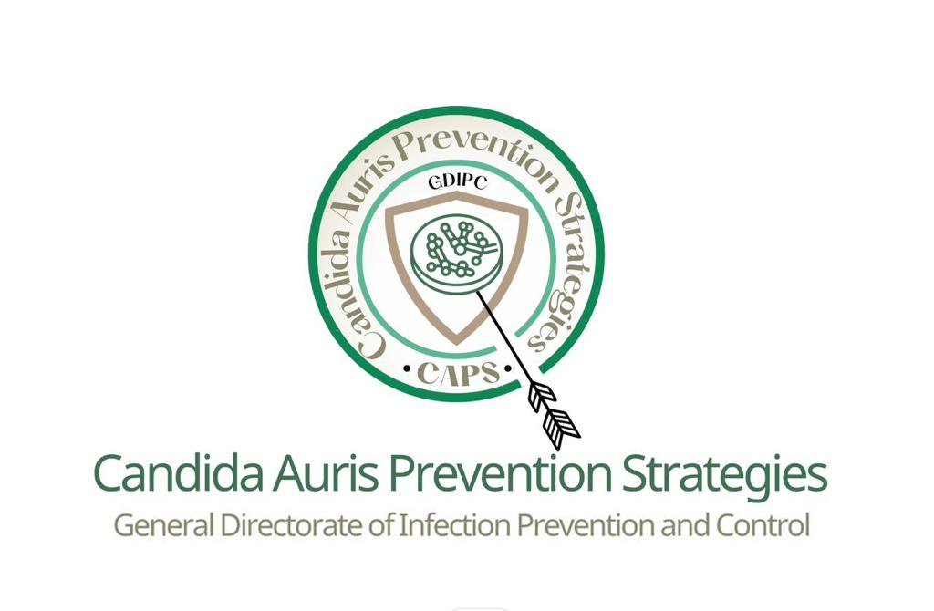

General Directorate of Infection Prevention and Control (GDIPC)
Candida Auris Prevention Strategies (CAPS)
The Seven Components (7Cs)

 | Vision: Candida auris is no longer a threat to our patients, people and country.
 | Mission: To prevents and controls Candida auris through the utilization of 7Cs: (C1: Current Situation Analysis – C2: Communication, Coordination and Collaboration – C3: Candida auris network (CAN) – C4: Comprehensive National Plan – C5: Commitment of the involved leaders and decision makers C6: Capacity Building – C7: Control and prevention of the Candida auris.
 | Aim: To safeguard against the hazards of the deadly infection of Candida auris.
 | Objective: 1-To prevent and control the Candida auris morbidity and mortality, nationwide. 2- To increase the awareness of the prevention of Candida auris. 3- To provide infection control tool and education materials related to Candida auris.
 | GDIPC directs all Healthcare facilities and encourage all Healthcare workers to strictly adhere to the Candida auris – related Infection prevention and control measures, standards, practices and services in order to alleviate the hazard and save lives.

C | Strategies | Outputs | Processes | Inputs | Indicators | Responsibilities | Quality measures | 23 Q3 | 23 Q4 | 24 Q1 | 24 Q2 | 24 Q3 | 24 Q4 | 25 Q1 | 25 Q2 | 25 Q3 | 25 Q4
C1 | Current Situation Analysis | C1.1: Data is available, complete, reliable, consistent and helpful for decision making & intervention. | 1. Partners and stakeholders shall provide, share & discuss the data & reports with each other's. | 1. Data (raw or analyzed). | A well - description of the current situation analysis. | CAN Stakeholders & Partners. | 1-Gap analysis report (progress/completion percentage).
 |  | C1.2: Information is disseminated & shared among stakeholders & partners of the CAPS. | 2. Partners & stakeholders should have regular meeting to decide and discuss what could be done with the data. | 2. Reports. |  | CAN Stakeholders & Partners. | 2-SWOT analysis.
 |  | C1.3: Area for further needed information or data are precisely determined. | 3. Form a committee that is responsible for researchers when indicated. | 3. Researches & Literature review relevant to the CAPS. |  | Researchers Committee.
 |  | C1.4: Different Types of researches are determined and prioritized precisely. | 4. Data should be organized by a new method of technology by data analyst and a data mining engineer. | 4. Expert opinions and views. |  | IT Group.
 |  | C1:5 Information is managed and analyzed through an approved system. |  | 5. Coordination mechanisms for meetings, workshops & conferences specified to data review.
C2 | Communication, Collaboration & Coordination | C2.1:The efforts against the Candida auris are organized and coordinated in a collaborative manner. | 1. All stakeholders, partners and healthcare facilities are identified and determined. | 1. A well - known coordinating body or a committee is formulated. |  | GDIPC. | 3-PCT model of change.
 |  | C2.2: An affective communication channels are activated between partners. | 2. determine a national framework to decide the responsibility of collaboration & coordination. |  |  | GDIPC.
C3 | Candida Auris Network (CAN) | C3.1: The Candida auris network (CAN) is established with clear objectives, roles, and responsibilities. | 1. A letter of establishment is released from a higher authority preferably the Deputy of Public Health. | 1. A letter of formation. | An effective and functioning Candida auris Network (CAN). | Deputy of Public Health. | 1- CAN meeting terms of reference.
 |  | C3.2: There is an established, activated, and functioning executive committee for the CAN. | 2. A first meeting of the executive committee is held as soon as the committee is formed. | 2. A list of the defined members of CAN. | An effective and functioning executive committee for the Candida auris Network (CAN). | Public Health - GDIPC. | 2-minutes of meetings.
 |  |  | 3. A schedule of activities for the CAN is set and implemented. | 3. A first meeting of the steering committee. |  | CAN + GDIPC.
C4 | Comprehensive National Plan | C4.1: There is a comprehensive national plan that covers all the aspects of prevention and control, and involves all the relevant and concerned partners. | 1. A comprehensive national plan is stablished, revised and released by the CAN executive committee. | 1. Serial meetings and workshops of the executive committee of the CAN for drawing the comprehenisve national plan. | A comprehensive national plan is in place, well known and active. | CAN + GDIPC. | 1-Action plan tracking form (dashboard indicators).
 |  |  | 2. A comprehensive national plan is approved and supported by the Deputy of Public Health. | 2. An approval letter or memo for launching of the comprehensive national plan. |  | CAN + GDIPC.
 |  |  | 3. A comprehensive national plan is distributed and disseminated to the all stakeholders and partners. | 3. A ceremony or any celebration's event to announce a beginning of the comprehensive national plan. |  | CAN + GDIPC.
C5 | Commitment of the involved leaders and decision makers | C5.1: The CAPS project is supported by high excellency MOH minister. | 1. A detailed, refined and well - prepared list of the targeted formal institute and experts that should commit to the CAPS is finalized. | 1. A comprehensive and exhausted contact list of the official bodies and persons. | A document of an evidenced commitment to fight against Candida auris at a wide national scale. | GDIPC. | 1-statement of commitment signed by the hospital leadership.
 |  | C5.2: The MOH leaders, decision makers, and high officials are willingly supporting & genuinely working to achieve the goals of the CAPS. | 2. A mechanism of defining the commitments agreement , implementation process is clearly explained. | 2. A known national and Saudi figure and expert to help in reaching to the targeted persons. |  | CAN + GDIPC.
 |  | C5.3: The governmental and private health sectors' leaders, decision makers and high officials are committing to the CAPS. | 3. Forms of the commitment are delivered in Types of agreements, letters of support, memos, etc.. Are formulated. | 3. GDIPC or one of MOH department is held responsible to organize the commitment's process. |  | CAN + GDIPC.
 |  | C5.4: The subject matter experts (SMEs), researchers, scientists, universities' & academic personnel and etc.. Are aware of the project and sharing their experiences and efforts.
C6 | Capacity Building | C6.1: There is a capacity building's project composing of all the necessary activities that aid in achieving the goal and accomplishing the efforts of CAPS. | 1. HCWs are oriented about the Candida auris and how to prevent and control them. | 1. Capacities are well identified, indicated and determined by the experts in the field through a workshop/(s). | A capacity building's project is in place, well determined and active. | RHD + Health Cluster + HCF. | 1-Number of training activities delivered to HCWs.
 |  |  | 2. HCWs working in ICUs are trained and qualified to prevent the Candida auris effectively and efficiently manner. | 2. Training needs assessment (TNA) is conducted by one of the famous national training body. |  | RHD + Health Cluster + HCF. | 2-percentage of HCW covered (training).
 |  |  | 3. The hospitals specifically the ICUs departments are well equipped and supplied by the requirements needed. | 3. A capacity building's project is added in details in the bottom of the comprehensive national plan. |  | GDIPC + MOH Relevant Departments. | 3-competency assessment forms.
 |  |  | 4. Initiate campaigns to raise awareness about Candida auris. |  |  | CAN + GDIPC.
 |  |  | 5. Scientific conferences and seminars are held to discuss and recommend for better interventions against the Candida auris. |  |  | CAN + GDIPC.
 |  |  | 6. Alternative solutions for Candida auris difficulties and resistance for prevention through researches. |  |  | Researchers Committee
 |  |  | 7. Learning and improvement from previous experiences. |  |  | CAN + GDIPC.
C7 | Control and prevention of the Candida auris | C7.1: There is a clear roadmap to reduce the morbidity of the Candida auris by 50% in 2026. | 1. The Candida auris prevention & control program is completely established with certain organization chart, plans, policies & procedures and etc.. | 1.The internal approval of GDIPC to establish a special program or alike. | Candida auris morbidity and mortality is reduced by 50% in 2026. | GDIPC - Outbreak Management Department. | 1-Number of new national research studies about Candida aruis.
 |  | C7.2: There is a clear roadmap to reduce the mortality of the Candida auris by 50% in 2026. | 2. The targeted healthcare facilities project is well - initiated, maintained, supported and achieving its intended goals & objectives. | 2.The convincement and support of KSMC leaders to the IPC project. |  | GDIPC + KSMC IPC. | 2-Candida Aruis national campaign/day.
 |  | C7.3: There is a 50% reduction in the morbidity of the Candida auris caused by specific HAIs outbreaks in 2026. | 3. A special auditing tool or any specific method is generated to measure the IPC compliance rate required against the Candida auris. |  |  | GDIPC - Monitoring & Evaluation. | 3-Define the needed equipment for the project (assessment of completion).
 |  | C7.4: There is a reduction in the mortality of the Candida auris caused by specific HAIs outbreaks from 41% to 20% in 2026. |  |  |  |  | 4-Candida auris HAI rate.
 |  | C7.5: The compliance rate of implementation to IPC measures against the Candida auris is consistently above 70%. |  |  |  |  | 5-Candida aruis Mortality rate.
 |  | C7.6: There is a joined project of prevention & control running successfully in targeted healthcare facilities.
 |  | C7.7: There is a program in GDIPC concerning the prevention & control of the Candida auris.

