CAPS Assessment Toolkit
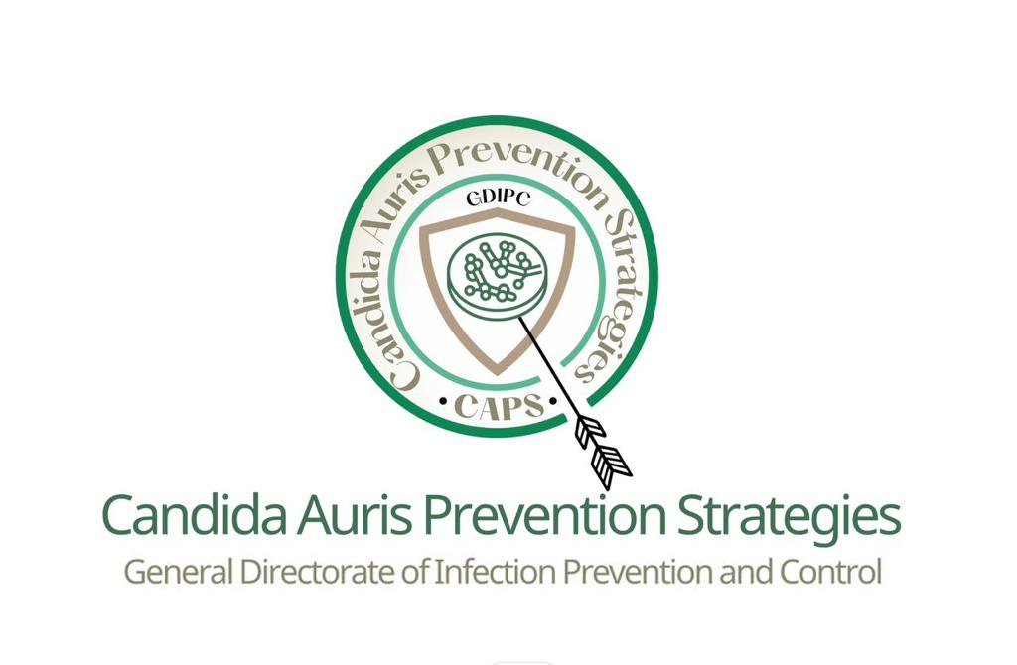

 |  |  |  | CAPS Assessment Toolkit

Region:
Assessor Name:
Hospital Name:
CAPS Team Leader:
Bed Capacity:
ICU Bed Capacity:
Date of Assessment:
Scores: |  |  |  | Definition: | Overall Compliance Rate:
1 |  |  |  | Fully Compliant | 0% |  | 0
0 |  |  |  | Non- compliant |  |  | 1

No. | Element |  | Sub elements |  | Score | Remarks
1 | Infection Prevention & Control (IPC) Key Measures | 1 | 1.1 | The healthcare facility has a written and updated infection prevention & control (IPC) policy and procedure related to C. auris.
 |  |  | 1.2 | The healthcare facility has an established hand hygiene (HH) program that is active and improvement projects developed continuously when indicated.
 |  |  | 1.3 | Contact isolation precautions for C.auris infected or colonized patients' are properly implemented (Patient placement, personal protective equipment's (PPEs) required, patients transportation).
 |  |  | 1.4 | Flag the medical record of patients with C. auris (colonized or infected) to ensure IPC precautions are implemented upon readmission.
 |  |  | 1.5 | Dedicate the nurse assigned for the C.auris patient whenever feasible , and if not , HH & IPC measures must be strictly maintained.
 |  |  | 1.6 | The healthcare facility has a written policy and procedure for antimicrobial stewardship program (ASP) and authorized ASP members & committee that is to ensure the judicious use of antimicrobial agents.
 |  |  | 1.7 | Whenever possible, single use patient care equipment's ' are used, or dedicate reusable items as much as possible to the C. auris patients (if the disposable ones are not available).
2 | Care Bundles | 2 | 2.1 | The healthcare facility have written & updated policies and procedures in regard of patient's care bundles for prevention of healthcare associated infections (HAIs) (devices related such as; VAE, CLABSI, CAUTI, DE, & non devices such as; SSI, MDRO).
 |  |  | 2.2 | HCWs are adherent to all care bundles related policies & procedures'.
 |  |  | 2.3 | The nursing to the patients ratio in critical care units (ICUs) is maintained (1:1 or 1:2) based on of the healthcare facility approved internal policy.
 |  |  | 2.4 | Patient's care bundles are followed daily by nursing staff. IPC practitioners monitor the compliance and validate the data (at least once weekly).
3 | Sample Collection & Identification of Candida auris | 3 | 3.1 | The healthcare facility has a written and updated policies and procedures in regard to C.auris screening, diagnosis, sample collection, and identification based on the approved C.auris national & international guidelines.
 |  |  | 3.2 | C.auris screening is performed promptly for the patients who are newly admitted to the critical care areas, transferred from another healthcare or long-term facilities to the ICU, and when indicated or have risk factors for acquiring C.auris.
 |  |  | 3.3 | C.auris screening is performed for healthcare workers when only indicated.
 |  |  | 3.4 | The Microbiology laboratory should notify confirmatory results of C.auris to the following: nurse in charge where the patient admitted, IPC department, & to the treating physician.
 |  |  | 3.5 | Healthcare workers are adherent to the proper implementation of aseptic techniques & related measures of the C.auris sampling collection & transportation.
 |  |  | 3.6 | HCWs are strictly adherent to the appropriate implementation of HH & PPEs measures.
 |  |  | 3.7 | Biological Safety Cabinets (BSC - class II-B) are used when manipulating known or suspected C. auris isolates.
 |  |  | 3.8 | Laboratory working surfaces and its related equipment's are regularly cleaned and disinfected by using high level MOH approved environmental disinfectants.
 |  |  | 3.9 | Confirmatory test can be achieved by using specific advanced laboratory methods such as; VITEK MS (bioMerieux, France) and MALDI Biotyper System (Bruker Corporation, USA) or by DNA sequencing of the D1/D2 domain.
 |  |  | 3.1 | Laboratories with no capability to do further characterizations, referral of Candida non- albicans and invasive isolates to a reference laboratory are advisable.
4 | Healthcare Associated Infection (HAIs) Outbreak Management | 4 | 4.1 | The healthcare facility has a written and updated policy and procedure of the HAIs outbreak management based on the latest national approved guideline.
 |  |  | 4.2 | The healthcare facility has an assigned & qualified HAIs outbreak management coordinator.
 |  |  | 4.3 | The healthcare facility reports effectively the single or further cases of C.auris through the national approved electronic platform in a timely manner.
 |  |  | 4.4 | Preliminary preventive measures, outbreak management action plan (OMAP), and the contact tracing are conducted to confine C.auris outbreak and all these forms must be sent to the GDIPC at timely manner.
5 | Environmental Cleaning & Disinfection | 5 | 5.1 | The healthcare facility has a written and updated policy and procedure for environmental cleaning & disinfection.
 |  |  | 5.2 | Routine and terminal cleaning & disinfection of patient's rooms & related equipment's should be applied by using MOH approved high level disinfectants that effective against C.auris. -MOH approved disinfectants (Sodium hypochlorite 1000 ppm, Hydrogen peroxide, etc.)
 |  |  | 5.3 | Ultraviolet light or hydrogen peroxide vapor/mist decontamination machines are used for terminal cleaning, and should be applied only post thoroughly cleaning activities.
 |  |  | 5.4 | Disinfectants with detergent/disinfectants products are used in accordance with the current approved national guidelines and recommended practices.
 |  |  | 5.5 | Environmental sampling is not recommended for routine assessment and it could be performed only to support outbreak investigation
6 | IPC Supplies | 6 | 6.1 | There are defined tools to monitor and maintain the adequate quantity of IPC required supplies (consumption rate calculation) in dealing with C.auris cases.
 |  |  | 6.2 | Supplies are used in dealing with C.auris cases in a proper manner to avoid inappropriate consumption.
 |  |  | 6.3 | Supplies are easily accessible to all healthcare workers.
 |  |  | 6.4 | Proper supplies evaluation are maintained & conducted by approved products evaluation team to ensure that the MOH approved technical specifications & quality standards of the used supplies' are followed.
7 | Patients, Caregivers, Visitors, & HCWs Education | 7.1 | 7.1.1 | There are educational materials for patients, caregiver, and visitors about C.auris required preventive precautions that includes but not limited to: brief about the pathogen ,hand hygiene measures, and contact isolation precaution.
 |  |  | 7.1.2 | The educational materials should include the patient visiting recommendations and the potential contamination.
 |  | 8.2 | 7.2.1 | The healthcare facility has an education program in place that should be delivered by IPC practitioners for all HCWs who are dealing with C.auris patients or patients' samples: a. Candida auris infection or colonization, IPC measures such as; patient placement, patient transportation, IPC measures among laboratory personnels, HAIs prevention care bundles, cleaning & disinfection of patients room & related equipment's (including laboratory surfaces), HH, aseptic technique, PPEs , and medical waste management. b. Standard and contact isolation precautions, including isolation initiation, duration of isolation, patient transportation, decolonization, screening and investigation methods, and visitors control. C. HAIs prevention care bundles & HAIs outbreak management must be included in the tailored IPC educational program.
 |  |  | 7.2.2 | The healthcare facility has a process to ensure that all HCWs are continuously updated & trained on the IPC measures including housekeepers & allied healthcare professionals.
Total Score |  |  |  |  | 0
RECOMMENDATIONS:

